User Guide
Devolved Formula Capital User Guide
The DFC methodology is unchanged for this year. This ready reckoner will give you an estimate of your school's funding.
Introduction
Devolved formula capital (DFC) is direct funding for individual institutions for capital spending. Each individual institution receives a lump sum and a variable amount based on phase-weighted pupil numbers. Lump sum and per-pupil rates are fixed for 2015-16 to 2017-18. This ready reckoner gives schools, if eligible, an estimate of what they can expect to receive in 2017-18.
You must update both the drop down lists and input how many pupils were on roll in the Spring 2016 census or funded students entered in the 2015/16 Individualised Learner Record. For pupils entered in the census, they must have been on roll and sole or dual main registered at your institution.
Opening date
The first dropdown menu allows you to input when your school opened. Only schools that were part of the Spring 2016 census, or the 2015/16 Individualised Learner Record, or whose predecessor school was part of that census or ILR, are eligible for DFC in 2017/18. Schools that opened after January 2016 without a DFC-eligible predecessor will not receive a DFC allocation in 2017/18.
The second dropdown menu allows you to choose your institution type, from the full list as provided by Edubase. DFC is calculated for all maintained mainstream nursery, primary and secondary schools, special schools, pupil referral units (PRUs), academies and free schools, studio schools and university technical colleges (UTCs), non-maintained special schools (NMSSs), independent specialist providers with state-funded pupils (SPIs) and sixth form colleges (SFCs). Please choose from the institution drop-down list.
If your institution is scheduled to change type, you should enter the school type you expect it will be on 1st April 2017.
Entering Pupil Numbers
All pupil-based allocations are based on the phase of the pupil rather than the phase of the institution. This means that, for example, primary-age pupils in secondary schools are counted as primary pupils, not secondary pupils. Special and PRU schools are given the same weighting no matter what the phase of their pupils.
You should enter the number of pupils in each different phase of education the school offers (corresponding to the number of pupils on roll in each national curriculum year group). This is so the model can calculate the different weightings correctly. The pupil number submitted should be a head count of pupils in each phase, except in the cases of Nursery pupils, or pupils in Sixth Form Colleges or Specialist Post-16 Institutions, for which the pupil number should correspond to the number of full-time equivalent (FTE) pupils. Schools that had more than one eligible predecessor school should submit the sum of the pupils in each phase that were on roll in January 2016 in the eligible predecessor schools.
Worked example
If a secondary school provides for 600 students, 100 primary and 500 secondary age, please enter the two different phases separately, rather than 600 pupils in just the secondary box. This would mean entering 100 in Cell C17 and 500 in Cell C18.
Students at special institutions
Pupils at Special Schools, NMSSs, SPIs, AP/PRUs and General Hospital Schools are all treated as Special/PRU and have a higher weighting applied to their pupil-led element of funding. All of these pupils are weighted in the same way regardless of their phase of education. Enter your whole school's pupil numbers in cell C20 and leave the other cells blank. If your special institution provides for boarders, include them in Cell C20.
Worked example
A special institution has 100 pupils of primary age, 200 of secondary age and 50 of Post-16 age. The figure to enter into C20 would therefore be 350, leaving all other cells blank.
Boarders
Pupils who are boarders at all institution types will be weighted higher regardless of phase. Boarder numbers are to be completed by phase separately to non-boarder pupils completing the appropriate cells in column D.
Full worked example with a mix of pupil types
An all-through community school with 100 Primary pupils, 500 Secondary pupils, 50 Sixth Form pupils, and in addition 50 Secondary Boarders.

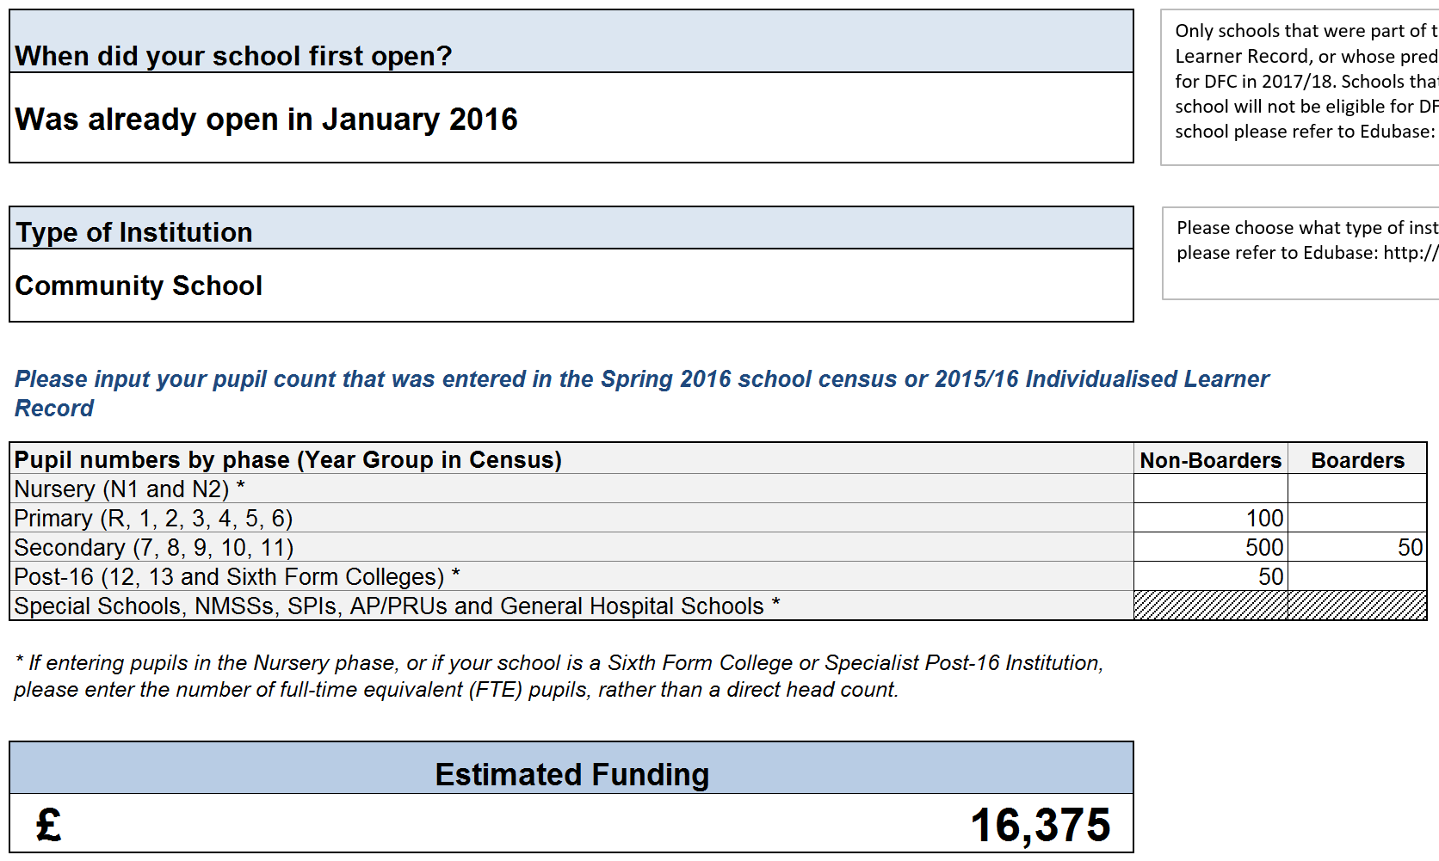

Previous DFC Allocations
If you wish to view your institution's 2016-17 DFC allocation, please click here, and open the spreadsheet link. Depending on whether your school is a Local Authority Maintained or Voluntary Aided School, an Academy or Sixth Form College, a Non-Maintained Special School, or a Specialist Post-16 Institution, click on the relevant tab (2a, 3a, 4, or 5 respectively) to view the 2016-17 DFC allocation.

Ready Reckoner
The DFC methodology is unchanged for this year. This ready reckoner will give you an estimate of your school's funding.

Devolved Formula Capital Ready Reckoner Control Panel
Only schools that were part of the Spring 2016 census, or the 2015/16 Individualised Learner Record, or whose predecessor school was part of that census or ILR, are eligible for DFC in 2017/18. Schools that have opened since January 2016 with no predecessor school will not be eligible for DFC allocations. If you are unsure of the opening date of your school please refer to Edubase: http://www.education.gov.uk/edubase/home.xhtml
When did your school first open?

Please choose what type of institution your school is from the drop down list. If unsure please refer to Edubase: http://www.education.gov.uk/edubase/home.xhtml
Type of Institution

Please input your pupil count that was entered in the Spring 2016 school census or 2015/16 Individualised Learner Record

Pupil numbers by phase (Year Group in Census) | Non-Boarders | Boarders | Please refer to the User guide for guidance on this step. Special schools of all phases (see user guide) should enter numbers in line 18 and not in the lines above.
Nursery (N1 and N2) *
Primary (R, 1, 2, 3, 4, 5, 6)
Secondary (7, 8, 9, 10, 11)
Post-16 (12, 13 and Sixth Form Colleges) *
Special Schools, NMSSs, SPIs, AP/PRUs and General Hospital Schools *

* If entering pupils in the Nursery phase, or if your school is a Sixth Form College or Specialist Post-16 Institution, please enter the number of full-time equivalent (FTE) pupils, rather than a direct head count.

Estimated Funding
£-

If you wish to view your institution's previous DFC allocation please click here

For further information about the DFC methodology please click here

